Sheet1
Age |  |  |  |  |  | Median Q2 |  |  |  |  |  | Exploratory Data Analysis
16 |  |  | Lowest ------…...........................................................................................> Highest
18
18 |  |  |  |  | 25th Percentile |  |  | 75th Percentile |  |  |  |  |  |  |  |  | 23
18 |  |  |  |  |  |  |  |  |  |  |  |  |  |  |  |  | 19
19 |  |  |  |  |  |  |  |  |  |  |  |  |  |  |  |  | 17
20
20
21
25
25
28
29
30 |  |  |  |  |  |  |  |  | 37
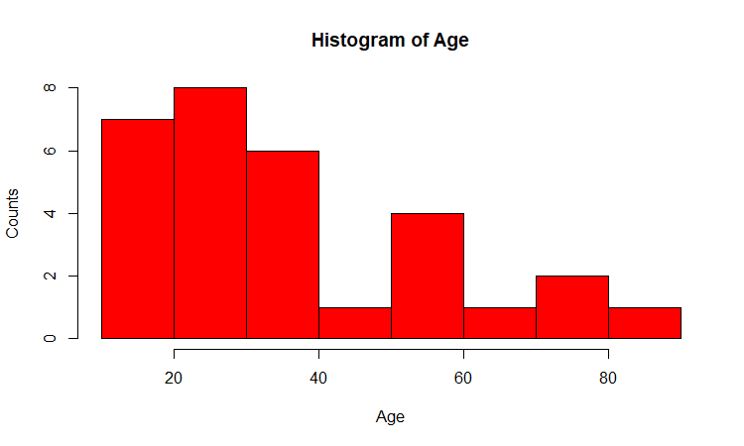
30 |  |  |  |  |  |  |  |  | 37.77
30
32 |  |  |  |  |  |  |  |  | 31 |  | Placement Details
35
36 |  |  |  |  |  |  |  |  |  |  | Convocation ….Director
38 |  |  |  |  |  |  |  |  |  | 60 |  |  |  | 12 lacs/annum
40 |  |  |  |  |  |  |  |  |  |  |  |  |  | 7
40 |  |  |  |  |  |  |  |  |  |  |  |  |  | 3.5
45 |  |  |  |  |  |  |  |  |  |  |  |  | 15 | not placed = 0
56
 | Values
1 | 21
2 | 22
3 | 25
4 | 27
5 | 45
56
58 |  |  |  |  |  |  |  |  | Data Pts | Values
59 |  |  |  |  |  |  |  |  | 1 | 21
65 |  |  |  |  |  |  |  |  | 2 | 22
72 |  |  |  |  |  |  |  |  | 3 | 25
73 |  |  |  |  |  |  |  |  | 4 | 27 |  |  |  |  |  | 12
81 |  |  |  |  |  |  |  |  | 5 | 45 |  | extreemly large |  |  | 21 | 21
 |  |  |  |  |  |  |  |  |  |  |  |  |  |  | 22 | 22
 |  |  |  |  |  |  |  |  |  |  |  |  |  |  | 25 | 25
 |  |  |  |  |  |  |  |  |  | North Korea |  | US/SK |  |  | 27 | 27
 |  |  |  |  |  |  |  |  |  | Israel |  | Palest |  |  |  | 45
 |  |  |  |  |  |  |  |  |  | Pakis |  | India |  |  | 23.75 | 25.333333333
 |  |  |  |  |  |  |  |  |  | China |  | the whole world
 |  |  |  |  |  |  |  |  |  | Japan ----------------> |  | SD
 |  |  |  |  |  |  |  |  |  | Strength
 |  |  |  |  |  |  |  |  |  | QUALITY ---------> |  | consistency --------> DEVIATION
 |  |  |  |  |  |  |  |  |  |  |  |  |  | DP | KK

 |  |  |  |  |  |  |  | 1 | Mother law of moving bodies ----> |  |  |  | N Law of Motion
 |  |  | 10 am …..7 am…........EXAM ….Taking |  |  |  |  | 2 | Electrical Engg ---------------------? |  |  |  | V= C*R
 |  |  | 50 qsns….15 mnts % |  |  |  |  | 3 | Inorganic Chem, --------------------? |  |  |  | Mandlf pt
 |  |  |  |  |  |  |  | 4 | PL….BS --------------------> |  |  |  | Acctng Eq
 |  |  |  | point est
 |  |  | nkl | 90
 |  |  | laks | 100
 |  |  | drj | 75
 |  |  | yuv | 100 |  |  |  |  |  |  |  |  | Range
 |  |  | mah | 95 |  |  |  |  |  |  |  | smita | 85-90
 |  |  | gaur | 100
 |  |  |  | 90 |  |  | 8am---phone…..pick….JF…..BLR airport…..3-4 Hrs---------
 |  |  | sivpr | 75
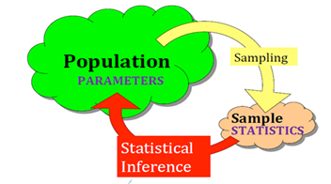
 |  |  | what is the pop mean age? [And how much confident your while posting your answer/estimate?]
 |  |  |  | Cond Level
 |  |  | 20-40 | 95 | critical calue
 |  |  | 34-40 |  |  |  |  | 2 pdf 11, 4 |  | 3.43 | = sd/SQRT(n) = 18.8/SQRT(30)
 |  |  | 37.77 |  |  |  |  | = 37.77 +,- ( ) * se(mean)
 |  |  | 35-40 |  |  |  |  |  | 1.96 | Critical value of Z (Normal Distributio) correspond to 95% CL
 |  |  | 37.5 |  |  |  | UL | 45
 |  |  | 34.77-40.77 |  |  |  | LL | 31
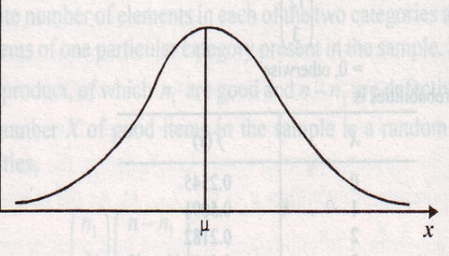
 |  |  |  |  |  |  |  |  | You need to FORGET Z critical value |  |  |  | 2-5 %
 |  |  |  |  |  |  |  |  | t critical

 |  |  |  |  |  |  | one gentleman….europe….mgr….beer manufacturing …....in love with ?....STATISTICS…...
 |  |  |  |  |  |  | study…..publish papers …..his boss was liking…..
 |  |  |  |  |  |  | pseudo name…...student …...t distribution (1) slightly flatten peak/bump (2) slightly thicker tails

2.5%
 |  |  |  |  |  |  |  | Normal Dist ===== Sample/data is small…<30
 |  |  |  |  |  |  |  | t-dist
 |  |  |  |  |  |  | alpha [1-CL (Fraction; 100-CL (percent)) = 5%, 0.05; degrees of freedom (n-1) = 30-1 = 29
2.5%
 | 0.025
 |  |  |  |  |  |  |  | t crit | 2.045 @ 5% alpha and df = 29
 |  |  |  |  |  |  |  | excel formula
 |  |  |  |  |  | 0.025
 |  |  |  |  |  |  |  | 2.0452296421 | =TINV(0.05,29)
 |  |  | 95%
 |  | n | z crit | t crit
 |  | 30 | 1.96 | 2.0452296421
 |  | 50 | 1.96 | 2.0095752371
 |  | 100 | 1.96 | 1.9842169516
 |  | 500 | 1.96 | 1.964729391
 |  | 1000 | 1.96 | 1.9623414611
 |  | 2000 | 1.96 | 1.9611514202
 |  | 10000 | 1.96 | 1.9602012636

 |  | all the softwares r, python, sas
 |  | spss, minitab…..t crit

